시트1
Project Name: | NextLevel Research Conference Management System
Test CaseID | T3.12
Test Case Description | Reviewer unallocate paper assigned to reviewer
Created by: | Yechan Kim
Date of testing: | 27th October 2022
Actor: | Conference Chair
Pre-condition: | Any of authors should submit at least one paper.
 | Reviewer have bid for the paper.
 | Conference Chair allocated paper to reviewer

Test Step | Step Details | Test Data | Expected Results | Actual Results | Pass/Fail/Not executed/Suspended | Screenshots, if possible | Remarks
T3.12 - 1 | Conference chair clicks "Allocate papers" button. | paper(id, topic, description, fileName), paper_authors(paper_id, author_id) | System will direct user to paper allocation display page to display pages paper allocation display page. The user should be able to view a list of papers which is to be allocated or is allocated by conference chair. | System will direct user to paper allocation display page to display pages paper allocation display page | Pass | 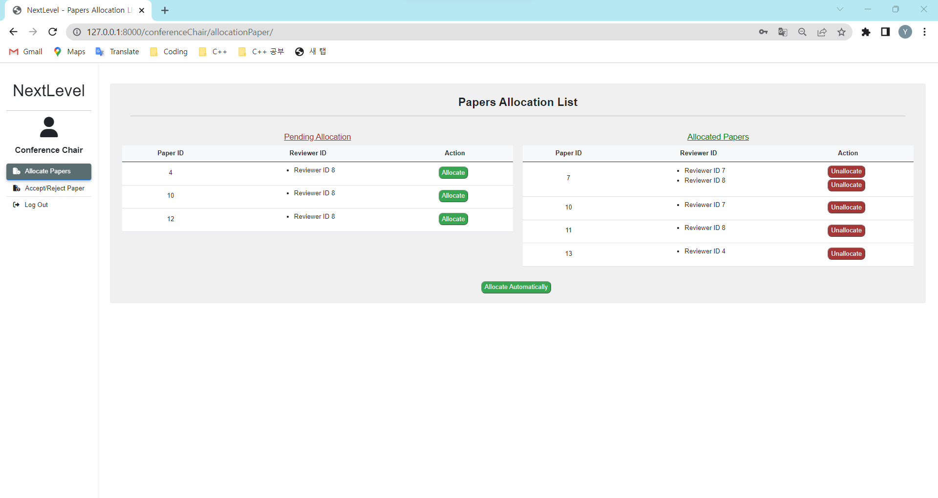
T3.12 - 2 | Conference chair clicks "unallocate" button on respective paper. |  | System will unallocate the seleted paper and display successful message. The user should be able to view a updated list of papers. | System will unallocate the seleted paper and display successful message. | Pass | 